Geographic Coverage
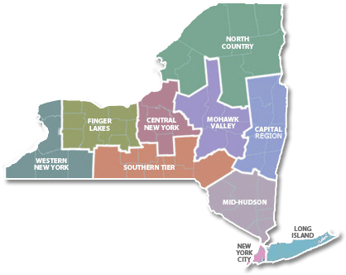
Tab 6: Geographic Coverage
Instructions: 1. Column A: Select the regions that you propose to serve as a Provider. 2. Column C: Enter the approximate number of energy projects served by your organization in that region over the past three years. Approximate numbers are acceptable. 3. Column D: Provider the street address of at least one project served in that region in the last three years. 4. Column E: Describe your capacity to provide services to customers in the regions selected. If within region outside of your home region, describe your approach to handling leads and referrals from customers in regions outside your home region. All applicants must choose at least one region. Applicants are encouraged to choose regions where they can reasonably and cost effectively provide energy services to customers.

Check All That Apply | Region | Approximate number of projects in past 3 years | Address served in this region within last 3 years | Capacity to provide services to customers in the region
 | New York City
 | Long Island
 | Mid-Hudson
 | Capital Region
 | North Country
 | Mohawk Valley
 | Central New York
 | Southern Tier
 | Finger Lakes
 | Western New York

