Residential PV Calculator
NY-Sun Solar Residential PV Calculator
Version 1.0 - Using Utility rates from 2015-2017

Project Inputs - Fill Out Yellow Cells

Year 1 Solar Energy Production | 6000
Annual Degradation Factor | 0.50%

Customer Type | Residential (SC-1)
Electric Utility Company | Central Hudson | View Map
Utility Rate | $0.1337 | per kWh
Annual Real Increase on Utility Retail Rate | 2.0% | per year
Inflation Rate | 2.1% | per year
PV Project Installation Year | 2018

Purchase Type | Purchase
Total Project Cost After All Incentives | $5,400.00
 | 0.00% | N/A if Purchase

Project Outputs

Value of 20 Years of PV Generation | $15,143
Project Cost After All Incentives | $5,400
Return on Investment Over 20 Year Term | 180%
Levelized Cost of Energy Over 20 Year Yerm | $0.05
Simple Payback in Years | 6.7
Cumulative Cashflow: Utility Bill Savings Minus Solar Payments
2018 | $(4,598)
2019 | $(3,784)
2020 | $(2,957)
2021 | $(2,119)
2022 | $(1,268)
2023 | $(404)
2024 | $472
2025 | $1,361
2026 | $2,263
2027 | $3,179
2028 | $4,108
2029 | $5,051
2030 | $6,007
2031 | $6,977
2032 | $7,962
2033 | $8,960
2034 | $9,973
2035 | $11,001
2036 | $12,044
2037 | $13,102

NYSERDA makes no claim to and does not guarantee the accuracy of project revenue estimated by this calculator. Estimated project revenue modeled in this tool is heavily dependent on user-input factors, including annual kWh production; actual project revenue will be based on various factors, such as weather and future market rates for energy and capacity. Projected revenues should not be relied upon.

NYSIO Load Zone Map
NY-Sun Solar Residential PV Calculator
Version 1.0 - Using Utility rates from 2015-2017
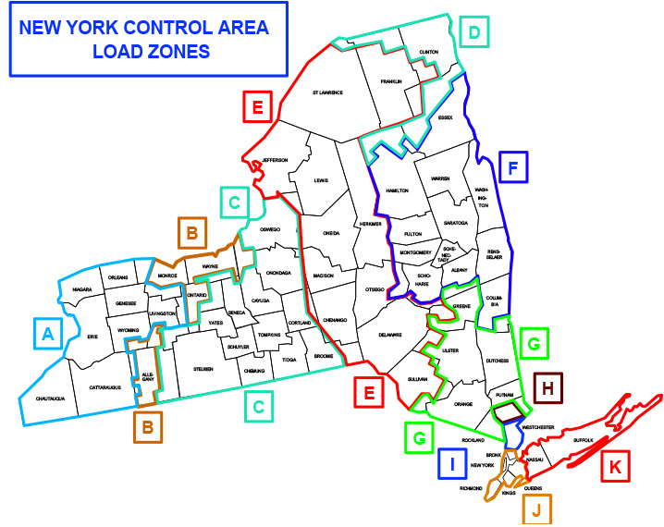

 | < Back to Inputs

